Setup
AsOfDate | 2022-12-22 | Call Option Chain, Maturity 2022-01-23 (29) |  |  |  |  |  |  |  | Bull Call (buy K1 sell K2)
DataMode | EOD | K | Moneyness | IV | OI | Mark | Prob ITM | Delta |  | Spread | Moneyness | Price | Delta | Gamma | Theta | Vega
S | TSLA | 100.00 | ITM | 100.41% | 14039 | 29.200 | 74.26% | 0.83 |  | 100/105 | ITM | 3.950 | 422.36 | -13.24 | 159.39 | -128.74
Price | 125.35 | 105.00 | ITM | 96.78% | 225 | 25.250 | 69.44% | 0.78 |  | 105/110 | ITM | 3.650 | 495.79 | -12.99 | 151.19 | -123.64
 |  | 110.00 | ITM | 93.95% | 2093 | 21.600 | 63.96% | 0.73 |  | 110/115 | ITM | 3.475 | 548.41 | -12.98 | 97.68 | -105.77
 |  | 115.00 | ITM | 90.52% | 365 | 18.125 | 58.22% | 0.68 |  | 115/120 | ITM | 3.100 | 609.56 | -10.74 | 69.00 | -82.53
 |  | 120.00 | ITM | 87.91% | 2141 | 15.025 | 52.01% | 0.62 |  | 120/125 | ITM | 2.750 | 648.85 | -7.78 | 21.77 | -49.76
 |  | 125.00 | ATM | 85.67% | 669 | 12.275 | 45.62% | 0.55 |  | 125/130 | OTM | 2.350 | 663.22 | -3.59 | -22.51 | -11.67
 |  | 130.00 | OTM | 84.06% | 1874 | 9.925 | 39.28% | 0.49 |  | 130/135 | OTM | 2.050 | 661.77 | -0.11 | -81.72 | 27.52
 |  | 135.00 | OTM | 82.36% | 1646 | 7.875 | 33.20% | 0.42 |  | 135/140 | OTM | 1.650 | 623.33 | 4.48 | -112.35 | 62.39
 |  | 140.00 | OTM | 81.39% | 11372 | 6.225 | 27.61% | 0.36 |  | 140/145 | OTM | 1.350 | 574.65 | 7.66 | -144.67 | 90.31
 |  | 145.00 | OTM | 80.64% | 20763 | 4.875 | 22.62% | 0.30 |  | 145/150 | OTM | 1.025 | 495.30 | 10.28 | -147.96 | 104.87
 |  | 150.00 | OTM | 80.62% | 15047 | 3.850 | 18.41% | 0.25

IV vs K

Premium vs K

Delta/ProbITM vs K

125.35 |  | Call Option Chain, Maturity 2022-01-23 (29)
 |  | K | Moneyness | IV | OI | Mark | Prob ITM | Delta | k | LogStrike k = Ln(K/S)
 |  | 100.00 | ITM | 100.41% | 14039 | 29.200 | 74.26% | 0.83 | -0.22593963862
 |  | 105.00 | ITM | 96.78% | 225 | 25.250 | 69.44% | 0.78 | -0.17714947445
 |  | 110.00 | ITM | 93.95% | 2093 | 21.600 | 63.96% | 0.73 | -0.13062945881
 |  | 115.00 | ITM | 90.52% | 365 | 18.125 | 58.22% | 0.68 | -0.086177696241
 |  | 120.00 | ITM | 87.91% | 2141 | 15.025 | 52.01% | 0.62 | -0.043618081822
 |  | 125.00 | ATM | 85.67% | 669 | 12.275 | 45.62% | 0.55 | -0.002796087302
 |  | 130.00 | OTM | 84.06% | 1874 | 9.925 | 39.28% | 0.49 | 0.036424625851
 |  | 135.00 | OTM | 82.36% | 1646 | 7.875 | 33.20% | 0.42 | 0.074164953834
 |  | 140.00 | OTM | 81.39% | 11372 | 6.225 | 27.61% | 0.36 | 0.11053259801
 |  | 145.00 | OTM | 80.64% | 20763 | 4.875 | 22.62% | 0.30 | 0.14562391782
 |  | 150.00 | OTM | 80.62% | 15047 | 3.850 | 18.41% | 0.25 | 0.17952546949

Mechanism
Call Option Chain, Maturity 2022-01-23 (29) |  |  |  |  |  |  | Bull Call (buy K1 sell K2) |  |  |  |  |  |  | 1. Mechanism
K | Moneyness | IV | OI | Mark | Prob ITM | Delta | Spread | Moneyness | Price | Delta | Gamma | Theta | Vega | Spread | K1 | K2 | Price | Width | Max Loss | Max Profit | Reward/Risk Ratio | Breakeven
100.00 | ITM | 100.41% | 14039 | 29.200 | 74.26% | 0.83 | 100/105 | ITM | 3.950 | 422.36 | -13.24 | 159.39 | -128.74 | 100/105 | 100 | 105 | 3.950 | 5 | 3.950 | 1.05 | 0.27 | 101.05
105.00 | ITM | 96.78% | 225 | 25.250 | 69.44% | 0.78 | 105/110 | ITM | 3.650 | 495.79 | -12.99 | 151.19 | -123.64 | 105/110 | 105 | 110 | 3.650 | 5 | 3.650 | 1.35 | 0.37 | 106.35
110.00 | ITM | 93.95% | 2093 | 21.600 | 63.96% | 0.73 | 110/115 | ITM | 3.475 | 548.41 | -12.98 | 97.68 | -105.77 | 110/115 | 110 | 115 | 3.475 | 5 | 3.475 | 1.53 | 0.44 | 111.53
115.00 | ITM | 90.52% | 365 | 18.125 | 58.22% | 0.68 | 115/120 | ITM | 3.100 | 609.56 | -10.74 | 69.00 | -82.53 | 115/120 | 115 | 120 | 3.100 | 5 | 3.100 | 1.90 | 0.61 | 116.90
120.00 | ITM | 87.91% | 2141 | 15.025 | 52.01% | 0.62 | 120/125 | ITM | 2.750 | 648.85 | -7.78 | 21.77 | -49.76 | 120/125 | 120 | 125 | 2.750 | 5 | 2.750 | 2.25 | 0.82 | 122.25
125.00 | ATM | 85.67% | 669 | 12.275 | 45.62% | 0.55 | 125/130 | OTM | 2.350 | 663.22 | -3.59 | -22.51 | -11.67 | 125/130 | 125 | 130 | 2.350 | 5 | 2.350 | 2.65 | 1.13 | 127.65
130.00 | OTM | 84.06% | 1874 | 9.925 | 39.28% | 0.49 | 130/135 | OTM | 2.050 | 661.77 | -0.11 | -81.72 | 27.52 | 130/135 | 130 | 135 | 2.050 | 5 | 2.050 | 2.95 | 1.44 | 132.95
135.00 | OTM | 82.36% | 1646 | 7.875 | 33.20% | 0.42 | 135/140 | OTM | 1.650 | 623.33 | 4.48 | -112.35 | 62.39 | 135/140 | 135 | 140 | 1.650 | 5 | 1.650 | 3.35 | 2.03 | 138.35
140.00 | OTM | 81.39% | 11372 | 6.225 | 27.61% | 0.36 | 140/145 | OTM | 1.350 | 574.65 | 7.66 | -144.67 | 90.31 | 140/145 | 140 | 145 | 1.350 | 5 | 1.350 | 3.65 | 2.70 | 143.65
145.00 | OTM | 80.64% | 20763 | 4.875 | 22.62% | 0.30 | 145/150 | OTM | 1.025 | 495.30 | 10.28 | -147.96 | 104.87 | 145/150 | 145 | 150 | 1.025 | 5 | 1.025 | 3.98 | 3.88 | 148.98
150.00 | OTM | 80.62% | 15047 | 3.850 | 18.41% | 0.25
 |  |  |  |  |  |  |  |  |  |  |  |  |  | 2. Probabiliy
 |  |  |  |  |  |  |  |  |  |  |  |  |  | Spread | K1 | Delta | ProbITM | K2 | Delta | ProbITM | P(Max Profit) - Delta | P(Max Profit) - ProbITM | P(Max Loss) - Delta | P(Max Profit) - ProbITM
 |  |  |  |  |  |  |  |  |  |  |  |  |  | 100/105 | 100 | 0.83 | 74.26% | 105 | 0.78 | 69.44% | 78.00% | 69.44% | 17.00% | 25.74%
 |  |  |  |  |  |  |  |  |  |  |  |  |  | 105/110 | 105 | 0.78 | 69.44% | 110 | 0.73 | 63.96% | 73.00% | 63.96% | 22.00% | 30.56%
 |  |  |  |  |  |  |  |  |  |  |  |  |  | 110/115 | 110 | 0.73 | 63.96% | 115 | 0.68 | 58.22% | 68.00% | 58.22% | 27.00% | 36.04%
 |  |  |  |  |  |  |  |  |  |  |  |  |  | 115/120 | 115 | 0.68 | 58.22% | 120 | 0.62 | 52.01% | 62.00% | 52.01% | 32.00% | 41.78%
 |  |  |  |  |  |  |  |  |  |  |  |  |  | 120/125 | 120 | 0.62 | 52.01% | 125 | 0.55 | 45.62% | 55.00% | 45.62% | 38.00% | 47.99%
 |  |  |  |  |  |  |  |  |  |  |  |  |  | 125/130 | 125 | 0.55 | 45.62% | 130 | 0.49 | 39.28% | 49.00% | 39.28% | 45.00% | 54.38%
 |  |  |  |  |  |  |  |  |  |  |  |  |  | 130/135 | 130 | 0.49 | 39.28% | 135 | 0.42 | 33.20% | 42.00% | 33.20% | 51.00% | 60.72%
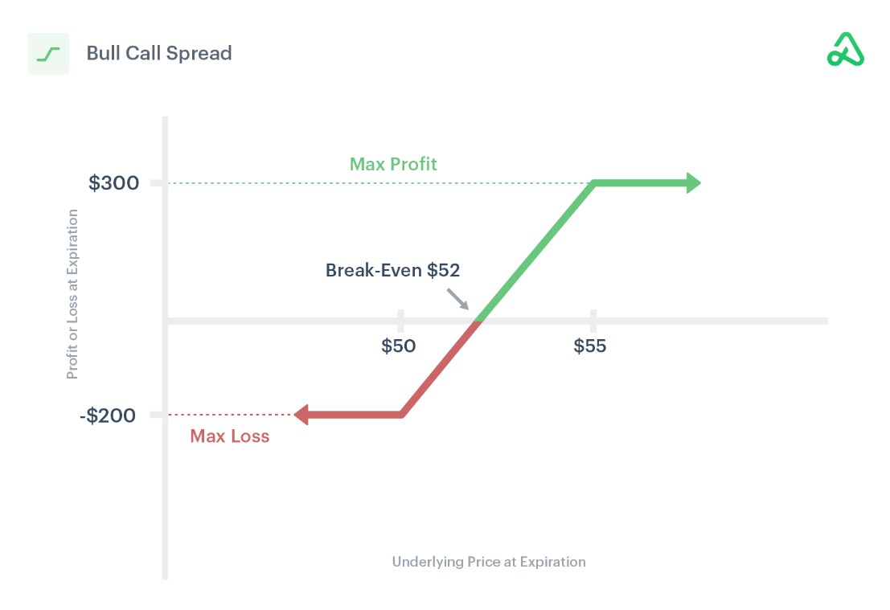
 |  |  |  |  |  |  |  |  |  |  |  |  |  | 135/140 | 135 | 0.42 | 33.20% | 140 | 0.36 | 27.61% | 36.00% | 27.61% | 58.00% | 66.80%
 |  |  |  |  |  |  |  |  |  |  |  |  |  | 140/145 | 140 | 0.36 | 27.61% | 145 | 0.3 | 22.62% | 30.00% | 22.62% | 64.00% | 72.39%
 |  |  |  |  |  |  |  |  |  |  |  |  |  | 145/150 | 145 | 0.3 | 22.62% | 150 | 0.25 | 18.41% | 25.00% | 18.41% | 70.00% | 77.38%

 |  |  |  |  |  |  |  |  |  |  |  |  |  | 3. Probability BE
 |  |  |  |  |  |  |  |  |  |  |  |  |  | Spread | BE | approx. K | delta | Prob ITM | Reward/Risk Ratio
 |  |  |  |  |  |  |  |  |  |  |  |  |  | 100/105 | 101.05 | 103.33 | 80% | 71% | 0.27
 |  |  |  |  |  |  |  |  |  |  |  |  |  | 105/110 | 106.35 | 106.67 | 77% | 71% | 0.37
 |  |  |  |  |  |  |  |  |  |  |  |  |  | 110/115 | 111.53 | 111.67 | 72% | 62% | 0.44
 |  |  |  |  |  |  |  |  |  |  |  |  |  | 115/120 | 116.90 | 116.67 | 66% | 56% | 0.61
 |  |  |  |  |  |  |  |  |  |  |  |  |  | 120/125 | 122.25 | 121.67 | 60% | 50% | 0.82
 |  |  |  |  |  |  |  |  |  |  |  |  |  | 125/130 | 127.65 | 126.67 | 53% | 43% | 1.13
 |  |  |  |  |  |  |  |  |  |  |  |  |  | 130/135 | 132.95 | 133.33 | 44% | 35% | 1.44
 |  |  |  |  |  |  |  |  |  |  |  |  |  | 135/140 | 138.35 | 136.67 | 40% | 31% | 2.03
 |  |  |  |  |  |  |  |  |  |  |  |  |  | 140/145 | 143.65 | 143.33 | 32% | 24% | 2.70
 |  |  |  |  |  |  |  |  |  |  |  |  |  | 145/150 | 148.98 | 149 | 26% | 19% | 3.88

Additivity
Bull Call (buy K1 sell K2)
Spread | Moneyness | Price | Delta | Gamma | Theta | Vega
100/105 | ITM | 3.950 | 422.36 | -13.24 | 159.39 | -128.74
105/110 | ITM | 3.650 | 495.79 | -12.99 | 151.19 | -123.64
110/115 | ITM | 3.475 | 548.41 | -12.98 | 97.68 | -105.77
115/120 | ITM | 3.100 | 609.56 | -10.74 | 69.00 | -82.53
120/125 | ITM | 2.750 | 648.85 | -7.78 | 21.77 | -49.76
125/130 | OTM | 2.350 | 663.22 | -3.59 | -22.51 | -11.67
130/135 | OTM | 2.050 | 661.77 | -0.11 | -81.72 | 27.52
135/140 | OTM | 1.650 | 623.33 | 4.48 | -112.35 | 62.39
140/145 | OTM | 1.350 | 574.65 | 7.66 | -144.67 | 90.31
145/150 | OTM | 1.025 | 495.30 | 10.28 | -147.96 | 104.87

Spread | Moneyness | Price | Delta | Gamma | Theta | Vega | LO | HI | Max Loss | BE
120/135 | ITM/OTM | 7.150 | 1973.840 | -11.480 | -82.460 | -33.910 | 120 | 135 | 7.150 | 127.850

Stock Price Evolution

t | S | LO | HI | BE
0.1 | 125 | 120 | 135 | 127.85
0.2 | 125.17147195 | 120 | 135 | 127.85
0.3 | 129.2528457 | 120 | 135 | 127.85
0.4 | 130.51052824 | 120 | 135 | 127.85
0.5 | 132.1167726 | 120 | 135 | 127.85
0.6 | 124.08782341 | 120 | 135 | 127.85
0.7 | 121.15812809 | 120 | 135 | 127.85
0.8 | 129.58023403 | 120 | 135 | 127.85
0.9 | 121.60308147 | 120 | 135 | 127.85
1 | 119.14212366 | 120 | 135 | 127.85

Gamma
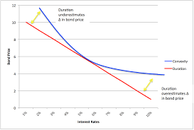
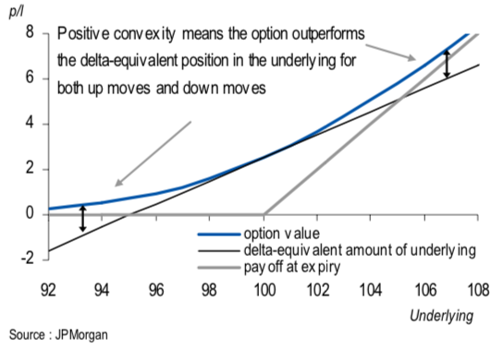
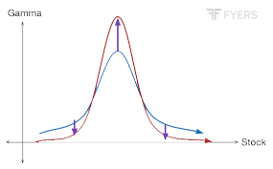

Bull Call (buy K1 sell K2)
Spread | Moneyness | Price | Delta | Gamma | Theta | Vega
100/105 | ITM | 3.950 | 422.36 | -13.24 | 159.39 | -128.74
105/110 | ITM | 3.650 | 495.79 | -12.99 | 151.19 | -123.64
110/115 | ITM | 3.475 | 548.41 | -12.98 | 97.68 | -105.77
115/120 | ITM | 3.100 | 609.56 | -10.74 | 69.00 | -82.53
120/125 | ITM | 2.750 | 648.85 | -7.78 | 21.77 | -49.76
125/130 | OTM | 2.350 | 663.22 | -3.59 | -22.51 | -11.67
130/135 | OTM | 2.050 | 661.77 | -0.11 | -81.72 | 27.52
135/140 | OTM | 1.650 | 623.33 | 4.48 | -112.35 | 62.39
140/145 | OTM | 1.350 | 574.65 | 7.66 | -144.67 | 90.31
145/150 | OTM | 1.025 | 495.30 | 10.28 | -147.96 | 104.87

Vega
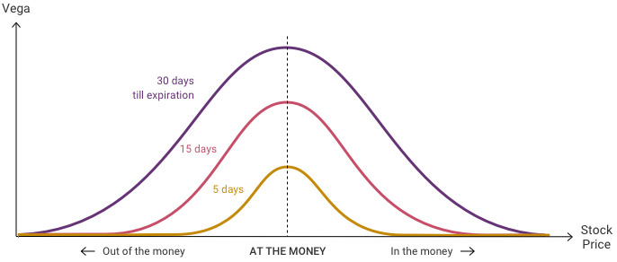
Bull Call (buy K1 sell K2)
Spread | Moneyness | Price | Delta | Gamma | Theta | Vega
100/105 | ITM | 3.950 | 422.36 | -13.24 | 159.39 | -128.74
105/110 | ITM | 3.650 | 495.79 | -12.99 | 151.19 | -123.64
110/115 | ITM | 3.475 | 548.41 | -12.98 | 97.68 | -105.77
115/120 | ITM | 3.100 | 609.56 | -10.74 | 69.00 | -82.53
120/125 | ITM | 2.750 | 648.85 | -7.78 | 21.77 | -49.76
125/130 | OTM | 2.350 | 663.22 | -3.59 | -22.51 | -11.67
130/135 | OTM | 2.050 | 661.77 | -0.11 | -81.72 | 27.52
135/140 | OTM | 1.650 | 623.33 | 4.48 | -112.35 | 62.39
140/145 | OTM | 1.350 | 574.65 | 7.66 | -144.67 | 90.31
145/150 | OTM | 1.025 | 495.30 | 10.28 | -147.96 | 104.87

Positive Vega: Low Vol -> High Vol
Negative Vega: High Vol -> Low Vol

Positive Vega: Typically Debit Spread
Negative Vega: Typically Credit Spread

Theta
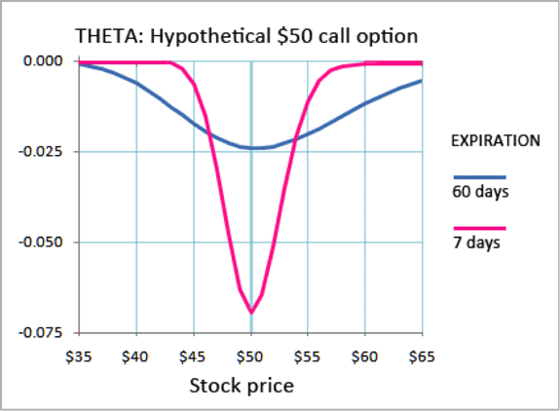
Bull Call (buy K1 sell K2)
Spread | Moneyness | Price | Delta | Gamma | Theta | Vega
100/105 | ITM | 3.950 | 422.36 | -13.24 | 159.39 | -128.74
105/110 | ITM | 3.650 | 495.79 | -12.99 | 151.19 | -123.64
110/115 | ITM | 3.475 | 548.41 | -12.98 | 97.68 | -105.77
115/120 | ITM | 3.100 | 609.56 | -10.74 | 69.00 | -82.53
120/125 | ITM | 2.750 | 648.85 | -7.78 | 21.77 | -49.76
125/130 | OTM | 2.350 | 663.22 | -3.59 | -22.51 | -11.67
130/135 | OTM | 2.050 | 661.77 | -0.11 | -81.72 | 27.52
135/140 | OTM | 1.650 | 623.33 | 4.48 | -112.35 | 62.39
140/145 | OTM | 1.350 | 574.65 | 7.66 | -144.67 | 90.31
145/150 | OTM | 1.025 | 495.30 | 10.28 | -147.96 | 104.87

Std
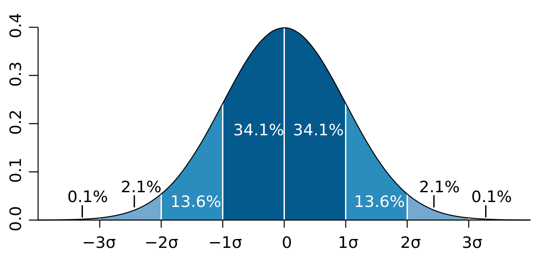

1 std | 68%
2 std | 95%
3 std | 98%

delta => Prob ITM => Normal Distribution Standard Deviation

S | 125

Call Option Chain, Maturity 2022-01-23 (29)
K | Moneyness | IV | OI | Mark | Prob ITM | Delta | Nickname
100.00 | ITM | 100.41% | 14039 | 29.200 | 74.26% | 0.83 | P_17D | -0.17
105.00 | ITM | 96.78% | 225 | 25.250 | 69.44% | 0.78 | P_22D | -0.22
110.00 | ITM | 93.95% | 2093 | 21.600 | 63.96% | 0.73 | P_27D | -0.27
115.00 | ITM | 90.52% | 365 | 18.125 | 58.22% | 0.68 | P_32D | -0.32
120.00 | ITM | 87.91% | 2141 | 15.025 | 52.01% | 0.62 | P_38D | -0.38
125.00 | ATM | 85.67% | 669 | 12.275 | 45.62% | 0.55
130.00 | OTM | 84.06% | 1874 | 9.925 | 39.28% | 0.49 | C_49D
135.00 | OTM | 82.36% | 1646 | 7.875 | 33.20% | 0.42 | C_42D
140.00 | OTM | 81.39% | 11372 | 6.225 | 27.61% | 0.36 | C_36D
145.00 | OTM | 80.64% | 20763 | 4.875 | 22.62% | 0.30 | C_30D
150.00 | OTM | 80.62% | 15047 | 3.850 | 18.41% | 0.25 | C_25D
160.00 | OTM |  |  |  |  | 0.17 | C_17D
162.50 | OTM |  |  |  |  | 0.15 | C_15D

price * ATM IV * time
125 * 85.67% * sqrt(29/252) |  |  | = | 36.327667046 | 1 std away
 |  |  |  | 161.32766705

For a 16 delta option to expire ITM, the underlying price has moved 1 standard deviation.

tmp
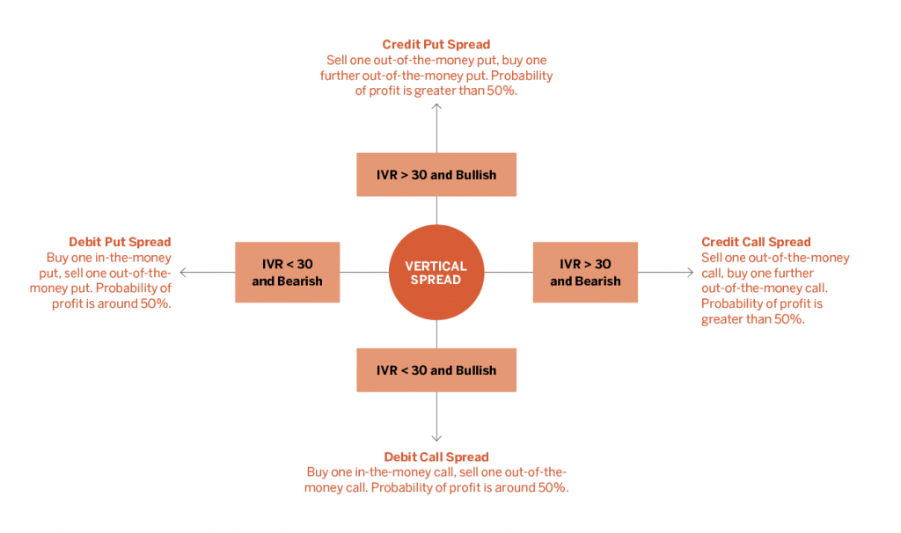
https://luckboxmagazine.com/techniques/understanding-delta-2/#:~:text=Standard%20deviation,on%20the%2016%20delta%20option.

